Main


CAPSTONE PROJECT REPORT
Sales and Distribution
Unit Test

Statistics
UNIT TEST REPORT

Project Name | VinaTech Smart Manufacturing's order status management system |  | Creator |  | SANGNV
Project Code | VTOMS |  | Reviewer/Approver |  | MANHNC
Document Code | VTOMS. Unit Test |  | Issue Date |  | 2026-04-17
Notes

No | Function code | Passed | Failed | Untested | Total Test Cases
1 | Create Sales Order (VA01) | 9 | 0 | 0 | 9
2 | Create Delivery | 7 | 0 | 0 | 7
3 | Create Return Order (VA01) | 5 | 1 | 0 | 6
 | Sub total | 21 | 1 | 0 | 22

 | Test coverage |  | 100.00 | %
 | Test successful coverage |  | 95.45 | %

Passed Percent

Create Sales Order (VA01)
Code Module |  |  | Create Sales Order (VA01) |  | Method | Create Sales Order (VA01)
Created By |  |  | SANGNV |  | Executed By | SANGNV
Test requirement |  |  | Unit test for Create Sales Order (VA01) – covers positive, negative, and boundary cases in the SD O2C process.
Passed |  |  | Failed |  | Untested | Total Test Cases
9 |  |  | 0 |  | 0 | 9

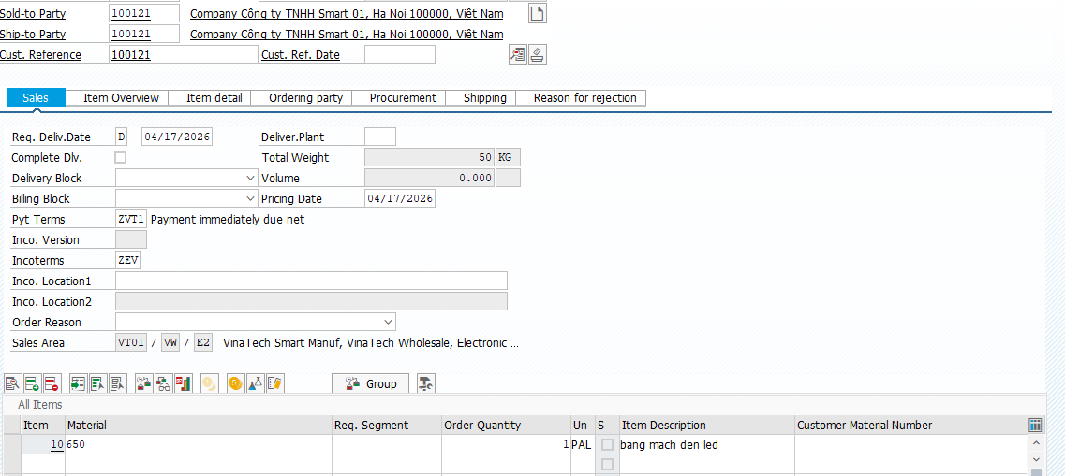
Process | ID | Test Data |  |  | Step | Expected Result | Actual Result | Tester | Pass/Fail
Create Sales Order | UT-SO-01 | Order Header | Order Type | ZVT1 (VTC Standard Order) | "1. T-Code: VA01 2. Enter Order Type: ZVT1 3. Sales Area: VT01 / VW / E2 4. Sold-to Party: 100121 Ship-to: 100121 Cust. Ref.: 100121 5. Sales tab: Pyt Terms: ZVT1 Incoterms:ZEV 6. Line Item 1: Material=650, Qty=1 PAL, Plant=VTHN 7. Item 650 → Conditions tab: verify PRVT, ZDIS, MWST 8. Save" | Standard Order created. Msg: 'VTC Standard Order XXXXXXXXXX saved'. Item 650 Conditions: - PRVT: 50,000,000 VND/PAL - ZDIS: 5% = -2,500,000 VND - Net: 47,500,000 VND - MWST: 4,750,000 VND (10%) Plant VTHN auto-determined. Pyt Terms Z001 applied. Delivery date confirmed. |  |  | Passed
 |  |  | Sales Org. | VT01 (VinaTech Smart Manuf.)
 |  |  | Distr. Channel | VW (VinaTech Wholesale)
 |  |  | Division | E2 (Electronics)
 |  | Sales | Pyt Terms | ZVT1
 |  |  | Incoterms | ZEV
 |  | Customer | Sold-to Party | 100121
 |  |  | Ship-to Party | 100121
 |  |  | Cust. Reference | 100121
 |  | Line Item 1 | Material | 650 (bang mach den led)
 |  |  | Order Qty | 1
 |  |  | Unit | PAL
 |  |  | Plant | VTHN
 |  |  | Storage Location | FG01
 |  | Conditions (Mat. 650) | PRVT – VTC Price | 50,000,000 VND / 1 PAL
 |  |  | ZDIS – VinaTech Discount | 5% → -2,500,000 VND
 |  |  | MWST – Output Tax | 10% → 4,750,000 VND
 |  |  | Net Value | 47,500,000 VND
 |  |  | Tax | 4,750,000 VND
 | UT-SO-02 | Order Header | Order Type | ZVT1 | 1. T-Code: VA01 2. Order Type: ZVT1 3. Sales Area: VT01/VW/E2 4. Enter Sold-to Party: 999999 5. Press Enter | 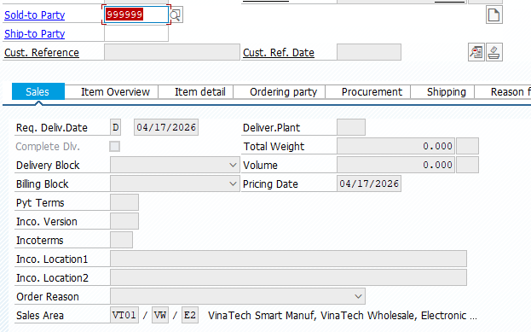 [Negative] Error: 'No customer master record exists for sold-to party 999999'. Order cannot proceed. |  | SANGNV | Passed
 |  |  | Sales Org. | VT01
 |  |  | Distr. Channel | VW
 |  |  | Division | E2
 |  | Customer | Sold-to Party | 999999
 | UT-SO-03 | Order Header | Order Type | ZVT1 | 1. T-Code: VA01 2. Order Type: ZVT1, Sales Area: VT01/VW/E2 3. Sold-to Party: 100121 Ship-to: 100121 Cust. Ref.: 100121 4. Sales tab: Pyt Terms: ZVT1 5. Enter Material: ZZZ999 6. Press Enter | 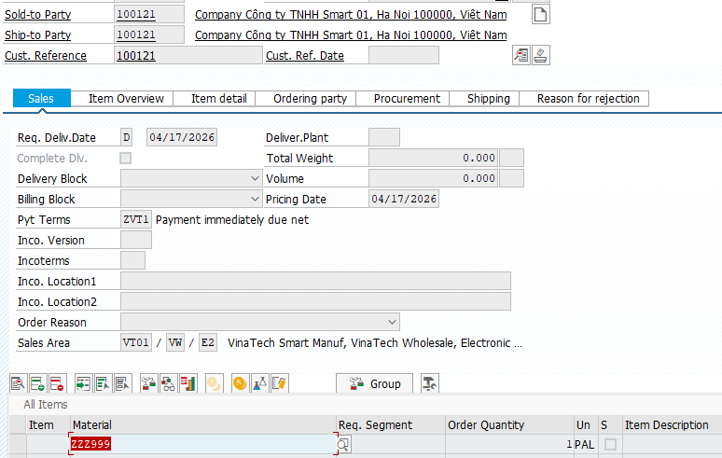 [Negative] Error: 'Material ZZZ999 is not defined for sales org.VT01, distr.chan.VW, language EN'. Line item not accepted. |  | SANGNV | Passed
 |  |  | Sales Org. | VT01
 |  |  | Distr. Channel | VW
 |  |  | Division | E2
 |  | Sales | Pyt Terms | ZVT1
 |  | Customer | Sold-to Party | 100121
 |  |  | Ship-to Party | 100121
 |  |  | Cust. Reference | 100121
 |  | Line Item | Material | ZZZ999 (Invalid)
 |  |  | Order Qty | 1
 |  |  | Unit | PAL
 | UT-SO-04 | Order Header | Order Type | ZVT1 | 1. T-Code: VA01 → ZVT1, VT01/VW/E2 2. Sold-to Party: 100121 Ship-to: 100121 Cust. Ref.: 100121 3. Sales tab: Pyt Terms: ZVT1 Incoterms:ZEV 4. Material=650, Qty=1 PAL 5. Double-click line item 6. Go to Conditions tab 7. Verify PRVT, ZDIS, MWST | Conditions applied: - PRVT (VTC Price): 50,000,000 VND/PAL - ZDIS (Discount 5%): -2,500,000 VND - Net: 47,500,000 VND - MWST (Tax 10%): 4,750,000 VND No pricing error. | 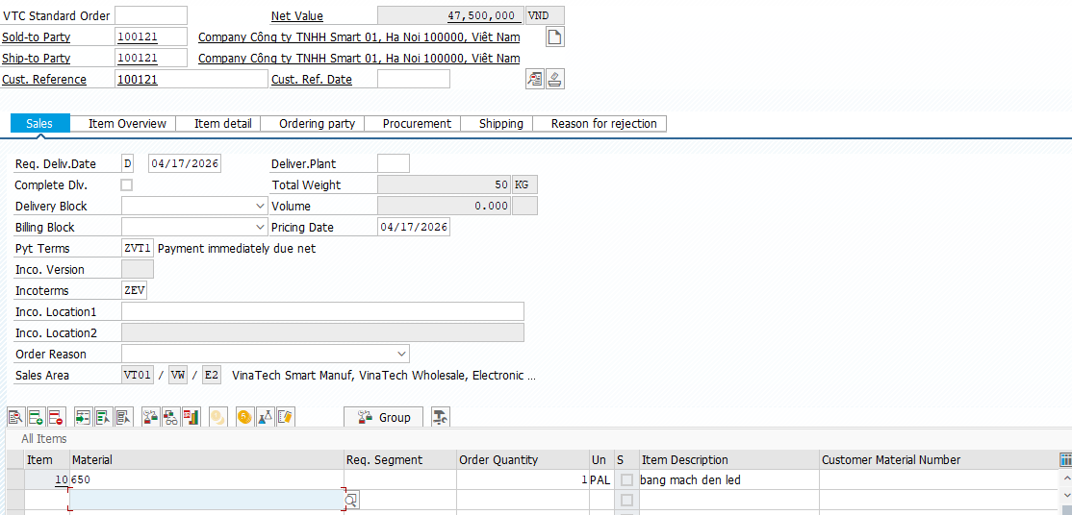 | SANGNV | Passed
 |  |  | Sales Org. | VT01
 |  | Sales | Pyt Terms | ZVT1
 |  |  | Incoterms | ZEV
 |  | Customer | Sold-to Party | 100121
 |  |  | Ship-to Party | 100121
 |  |  | Cust. Reference | 100121
 |  | Line Item | Material | 650
 |  |  | Order Qty | 1
 |  |  | Unit | PAL
 |  | Conditions | PRVT – VTC Price | 50,000,000 VND / 1 PAL
 |  |  | ZDIS – VinaTech Discount | 5% → -2,500,000 VND
 |  |  | MWST – Output Tax | 10% → 4,750,000 VND
 |  |  | Net Value | 47,500,000 VND
 |  |  | Tax | 4,750,000 VND
 | UT-SO-06 | Order Header | Order Type | ZVT1 | 1. T-Code: VA01 → ZVT1, VT01/VW/E2 2. Sold-to Party: 100121 Ship-to: 100121 Cust. Ref.: 100121 3. Sales tab: Pyt Terms: ZVT1 Incoterms: ZEV 4. Material=650, Qty=1 PAL 5. Item → Conditions tab 6. Verify ZDIS discount = 5% 7. Check Net = PRVT - ZDIS | ZDIS 5% applied: 50,000,000 × 0.05 = 2,500,000 VND discount. Net = 50,000,000 - 2,500,000 = 47,500,000 VND. MWST = 47,500,000 × 0.10 = 4,750,000 VND. |  | SANGNV | Passed
 |  |  | Sales Org. | VT01
 |  | Customer | Sold-to Party | 100121
 |  |  | Ship-to Party | 100121
 |  |  | Cust. Reference | 100121
 |  | Line Item | Material | 650
 |  |  | Order Qty | 1
 |  |  | Unit | PAL
 |  | Conditions | PRVT – VTC Price | 50,000,000 VND/PAL
 |  |  | ZDIS – Discount | 5% → -2,500,000 VND
 |  |  | Net after ZDIS | 47,500,000 VND
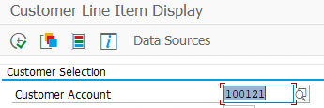
 |  |  | MWST – Tax | 10% → 4,750,000 VND
Credit & ATP Check | UT-SO-07 | Credit Check | Customer | 100121 | 1. FBL5N → Customer 100121, verify open items within limit 2. T-Code: VA01 → ZVT1, VT01/VW/E2 3. Sold-to Party: 100121 Ship-to: 100121 Cust. Ref.: 100121 4. Sales tab: Pyt Terms: ZVT1 Incoterms: ZEV 5. Material=650, Qty=1 PAL 6. Save | SO created without credit warning. No credit block applied. Delivery date confirmed. |  | SANGNV
 |  |  | Open Items | Within credit limit |  |  |  |  | Passed
 |  |  | Credit Status | OK (FD33)
 |  | Order | Order Type | ZVT1
 |  |  | Material | 650
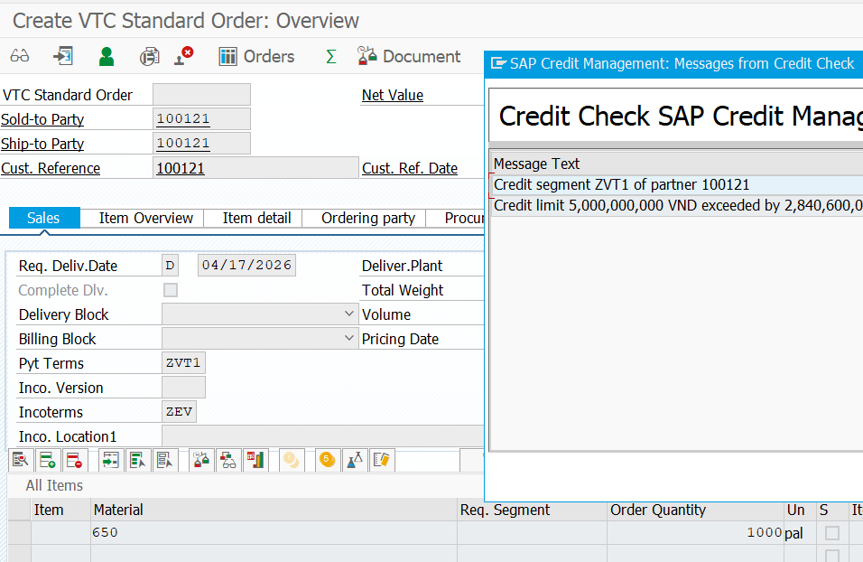
 |  |  | Order Qty | 1 PAL
 | UT-SO-08 | Credit Check | Customer | 100121 | 1. FD33 → confirm credit limit exceeded 2. T-Code: VA01 → ZVT1, VT01/VW/E2 3. Sold-to Party: 100121 Ship-to: 100121 Cust. Ref.: 100121 4. Sales tab: Pyt Terms: ZVT1 Incoterms: ZEV 5. Material=650, Qty=1000 PAL 6. Attempt Save | [Negative] Credit block warning. SO blocked: 'Credit limit exceeded'. Finance approval required. |  | SANGNV | Passed
 |  |  | Credit Limit | Exceeded
 |  |  | Outstanding Debt | > Limit (FD33)
 |  | Order | Order Type | ZVT1
 |  |  | Material | 650
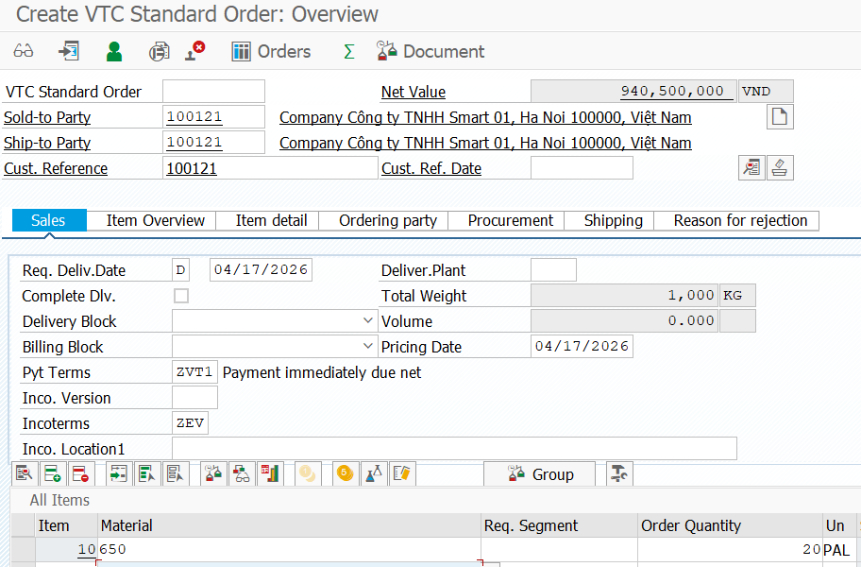
 |  |  | Order Qty | 1000 PAL (high qty)
 | UT-SO-09 | ATP Check | Material | 650 | 1. MMBE → verify Mat.650 VTHN/FG01 ≥ 50 PAL 2. T-Code: VA01 → ZVT1, VT01/VW/E2 3. Sold-to Party: 100121 Ship-to: 100121 Cust. Ref.: 100121 4. Sales tab: Pyt Terms: ZVT1 Incoterms: ZEV 5. Material=650, Qty=20 PAL 6. Check Schedule Lines tab | 20 PAL confirmed. Delivery date auto-assigned. No ATP shortage message. |  | SANGNV | Passed
 |  |  | Plant | VTHN
 |  |  | Unrestricted Stock | ≥ 50 PAL (MMBE)
 |  | Line Item | Order Qty | 20 PAL
 |  |  | Unit | PAL
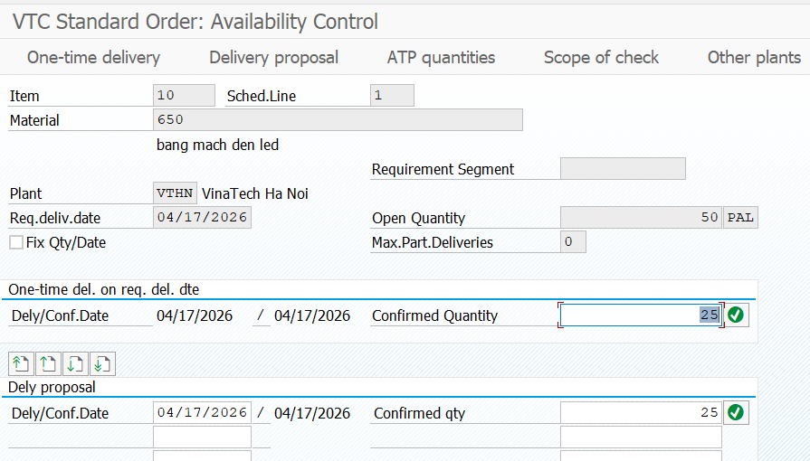
 |  |  | Req. Delivery Date | 04/16/2026
 | UT-SO-10 | ATP Check | Material | 650 | 1. Reduce stock to 2 PAL via MIGO 2. T-Code: VA01 → ZVT1, VT01/VW/E2 3. Sold-to Party: 100121 Ship-to: 100121 Cust. Ref.: 100121 4. Sales tab: Pyt Terms: ZVT1 Incoterms: ZEV 5. Material=650, Qty=50 PAL 6. Check Schedule Lines | [Negative] ATP shortage warning. Only 2 PAL confirmed. Delivery date delayed or partial confirm. |  | SANGNV | Passed
 |  |  | Plant | VTHN
 |  |  | Unrestricted Stock | 2 PAL (MMBE – insufficient)
 |  | Line Item | Order Qty | 50 PAL (> stock)
 |  |  | Unit | PAL

Create Delivery
Code Module |  |  | Create Sales Order (VA01) |  | Method | Create Sales Order (VA01)
Created By |  |  | SANGNV |  | Executed By | SANGNV
Test requirement |  |  | Unit test for Create Sales Order (VA01) – covers positive, negative, and boundary cases in the SD O2C process.
Passed |  |  | Failed |  | Untested | Total Test Cases
7 |  |  | 0 |  | 0 | 7

Process | ID | Test Data |  |  | Step | Expected Result | Actual Result | Tester | Pass/Fail
Create Outbound Delivery | UT-DL-01 | Shipping | Shipping Point | SP02 (VTHN In-house) | 1. T-Code: VL01N 2. Shipping Point: SP02 3. Selection Date: today 4. Enter Sales Order number 5. Check item data 6. Save |  Outbound Delivery created. Message: 'Outbound Delivery XXXXXXXX saved'. SP02 on header. FG01 on item. Linked to SO in document flow. |  | SANGNV | Passed
 |  |  | Selection Date | Today (16/04/2026)
 |  | Reference | Sales Order No. | [from UT-SO-01]
 |  | Delivery Item | Material | 650
 |  |  | Delivery Qty | 1 PAL
 |  |  | Plant | VTHN
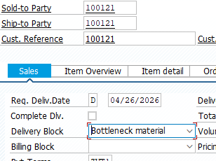
 |  |  | Storage Location | FG01
 | UT-DL-02 | Block | Delivery Block | 01 (Credit Limit) | 1. VA02 → set Delivery Block=01 on SO 2. T-Code: VL01N → SP02 3. Enter blocked SO number 4. Execute | [Negative] No delivery created. Error/Warning: 'Sales order is blocked for delivery: Bottleneck material'. Cannot proceed. |  | SANGNV | Passed
 |  |  | Set via | VA02 → Header → Shipping
 |  | Shipping | Shipping Point | SP02
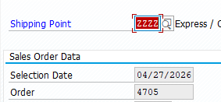
 |  | Reference | Sales Order | [blocked SO]
 | UT-DL-03 | Shipping | Shipping Point | ZZZZ (Invalid) | 1. T-Code: VL01N 2. Shipping Point: ZZZZ 3. Enter any date and SO 4. Execute | [Negative] Error: 'Shipping Point ZZZZ does not exist'. Cannot proceed. |  | SANGNV | Passed
 |  | Reference | Sales Order | [valid SO]
 | UT-DL-04 | Shipping | Shipping Point | SP02 | 1. Create SO with shipping condition triggering SP02 2. T-Code: VL01N → SP02 3. Check delivery header | Shipping Point = SP02 on delivery. Auto-determined per shipping condition. |  | SANGNV | Passed
 |  |  | Shipping Condition | 02 (Express)
 |  | Reference | Sales Order | [SO with Express condition]
 |  | Delivery | Shipping Point Result | SP02
 | UT-DL-05 | Delivery | Delivery No. | [from UT-DL-01] | 1. T-Code: VL01N → reference SO from UT-SO-01 2. Change delivery qty to 6 PAL (partial) 3. Save | Partial delivery for 6 PAL created. SO still has 4 PAL open. System proposes 4 PAL on next delivery run. |  | SANGNV | Passed
 |  | Split | Original Qty | 10 PAL
 |  |  | 1st Delivery Qty | 6 PAL (partial)
 |  |  | Remaining Qty | 4 PAL (open on SO)
Picking Confirmation | UT-DL-06 | Delivery | Delivery No. | [from UT-DL-01] | 1. T-Code: VL02N → enter delivery number 2. Go to Picking tab 3. SLoc=FG01, Picked Qty=1 PAL 4. Save | Picking status = 'Fully Picked'. Storage location FG01 confirmed. Delivery ready for PGI. | 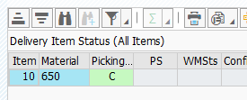 | SANGNV | Passed
 |  | Picking | Storage Location | FG01
 |  |  | Picked Qty | 1 PAL
 |  |  | Unit | PAL
 |  | Status | Picking Status | Fully Picked (C)
 | UT-DL-07 | Delivery | Delivery No. | [delivery] | 1. T-Code: VL02N → open delivery 2. Picking tab: leave Picked Qty=0 3. Click 'Post Goods Issue' | [Negative] Error: 'Picking not completed'. PGI blocked. Must complete picking first. |  | SANGNV | Passed
 |  | Picking | Picked Qty | 0 (not done)
 |  | Action | Post Goods Issue | Attempted

Create Return Order (VA01)
Code Module |  |  | Create Sales Order (VA01) |  | Method | Create Sales Order (VA01)
Created By |  |  | SANGNV |  | Executed By | SANGNV
Test requirement |  |  | Unit test for Create Sales Order (VA01) – covers positive, negative, and boundary cases in the SD O2C process.
Passed |  |  | Failed |  | Untested | Total Test Cases
5 |  |  | 1 |  | 0 | 6

Process | ID | Test Data |  |  | Step | Expected Result | Actual Result | Tester | Pass/Fail
Create Return Order | UT-RO-01 | Order Header | Order Type | ZVT2 (VTC Return Order) | 1. T-Code: VA01 2. Enter Order Type: ZVT2 3. Sales Area: VT01/VW/E2 4. Sold-to Party: 100121 5. Enter reference SO number from UT-SO-01 6. Enter Item: Material 650, Qty 1, Unit PAL 7. Enter Reason for Return 8. Save | 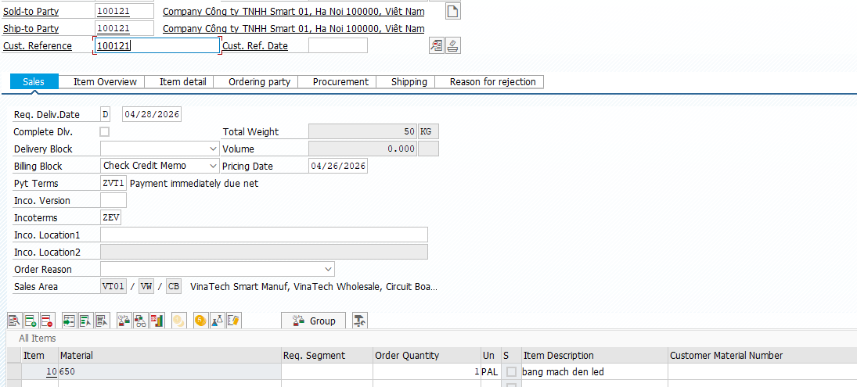 Return Order created. Msg: 'VTC Return Order XXXXX has been saved'. Order Type = ZVT2. Reference to original SO visible. |  | SANGNV | Passed
 |  |  | Sales Org. | VT01 (VinaTech Smart Manuf.)
 |  |  | Distr. Channel | VW (VinaTech Wholesale)
 |  |  | Division | E2 (Electronics)
 |  | Sales | Pyt Terms | ZVT1
 |  |  | Incoterms | ZEV
 |  | Customer | Sold-to Party | 100121
 |  |  | Ship-to Party | 100121
 |  |  | Cust. Reference | 100121
 |  | Reference | Original SO No. | [from UT-SO-01]
 |  | Line Item 1 | Material | 650 (bang mach den led)
 |  |  | Return Qty | 1
 |  |  | Unit | PAL
 |  |  | Plant | VTHN
 |  |  | Reason for Return | Defective product
 |  | Conditions (Mat. 650) | PRVT – VTC Price | 50,000,000 VND / 1 PAL (credit)
 |  |  | ZDIS – VinaTech Discount | 5% → -2,500,000 VND
 |  |  | MWST – Output Tax | 10% → 4,750,000 VND
 |  |  | Net Value | 47,500,000 VND (credit)
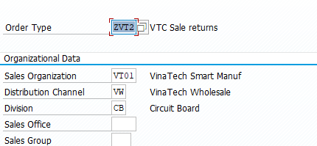
 |  |  | Tax | 4,750,000 VND
 | UT-RO-02 | Order Header | Order Type | ZVT2 | 1. T-Code: VA01 2. Order Type: ZVT2 3. Sales Area: VT01/VW/E2 4. Sold-to Party: 999999 (invalid) 5. Enter | [Negative] Error: 'No customer master record exists for sold-to party 999999'. Return Order not created. |  | SANGNV | Passed
 |  |  | Sales Org. | VT01
 |  |  | Distr. Channel | VW
 |  |  | Division | E2
 |  | Customer | Sold-to Party | 999999 (Invalid)
 | UT-RO-03 | Order Header | Order Type | ZVT2 | 1. T-Code: VA01 2. Order Type: ZVT2, Sales Area: VT01/VW/E2 3. Sold-to Party: 100121 4. Material: ZZZ999 (invalid) 5. Save | [Negative] Error: 'Material ZZZ999 is not defined for sales org VT01'. Return Order not created. |  | SANGNV | Passed
 |  |  | Sales Org. | VT01
 |  |  | Distr. Channel | VW
 |  |  | Division | E2
 |  |  | Return Qty | 1
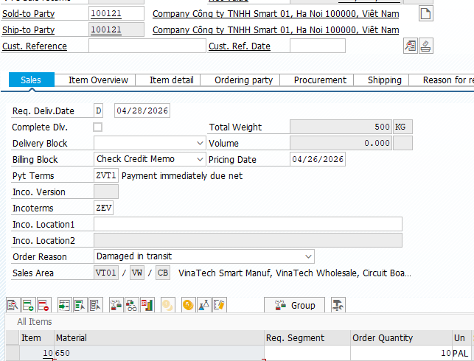
 |  |  | Unit | PAL
 | UT-RO-04 | Order Header | Order Type | ZVT2 | 1. T-Code: VA01 → ZVT2, VT01/VW/E2 2. Sold-to Party: 100121 3. Reference original SO (Qty=1 PAL) 4. Enter Return Qty: 10 PAL (exceeds original) 5. Save | [Negative] Warning/Error: Return quantity exceeds original order quantity. System should warn or block. |  | SANGNV | Failed
 |  | Customer | Sold-to Party | 100121
 |  | Reference | Original SO | [SO with Qty=1 PAL]
 |  | Line Item | Material | 650
 |  |  | Return Qty | 10 PAL (exceeds original)
 | UT-RO-05 | Order Header | Order Type | ZVT2 | 1. T-Code: VA01 → ZVT2, VT01/VW/E2 2. Sold-to Party: 100121 3. Material: 650, Qty: 1 PAL 4. Check Conditions tab 5. Verify pricing is credit (negative) | Pricing applied as credit memo: - PRVT: 50,000,000 VND/PAL - ZDIS: 4% → -2,000,000 VND - Net: 48,000,000 VND (credit) - MWST: 4,800,000 VND All values should be credit (negative net value in accounting). |  | SANGNV | Passed
 |  | Customer | Sold-to Party | 100121
 |  | Line Item | Material | 650
 |  |  | Return Qty | 1 PAL
 |  | Conditions | PRVT – VTC Price | 50,000,000 VND/PAL
 |  |  | ZDIS – Discount | 4% → -2,000,000 VND
 |  |  | Net after ZDIS | 48,000,000 VND
 |  |  | MWST – Tax | 10% → 4,800,000 VND
 | UT-RO-06 | Order Header | Order Type | ZVT2 | 1. T-Code: VA01 → ZVT2, VT01/VW/E2 2. Sold-to Party: 100121 3. Do NOT enter reference SO 4. Material: 650, Qty: 1 PAL 5. Save | 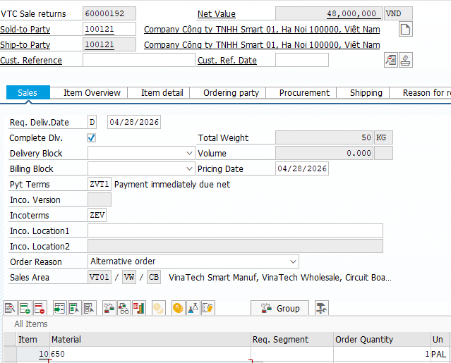 Return Order created without reference. Order saved but no link to original SO. Pricing still determined from condition records. |  | SANGNV | Passed
 |  | Customer | Sold-to Party | 100121
 |  | Reference | Original SO | (none)
 |  | Line Item | Material | 650
 |  |  | Return Qty | 1 PAL

